Weekly Average
Team Name + Nickname |  |  | Average from: |  | 2020-06-15 |  | - |  | 2020-06-19

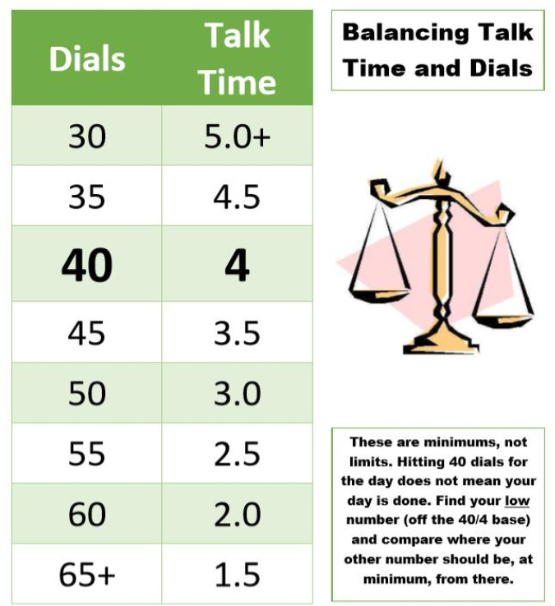
 |  |  | On-Queue | Inbound | Dials |  |  | Hours |  |  | Lives Changed
 | Days Worked: | Enrollment Counselor: |  |  |  | Needed Based on Hours |  |  | Needed Based on Dials | Weekly Dials & Hours % To Goal | Per Day | Week to date | Goal:
 | 4.25 | EC 1 | 4:24:13 | 3.4 | 40 | 47 |  | 3:16:52 | 4:03:00 | 82% | 1.9 | 8 |  | > | 130%
 | 4.00 | EC 2 | 4:36:45 | 3.8 | 31 | 39 |  | 4:03:58 | 4:57:00 | 80% | 2.0 | 8 |  | >= | 100%
 | 4.00 | EC 3 | 4:43:14 | 4.0 | 40 | 42 |  | 3:45:14 | 4:00:00 | 94% | 1.0 | 4 |  | < | 100%
 | 5.00 | EC 4 | 4:50:36 | 3.6 | 37 | 43 |  | 3:39:32 | 4:20:24 | 84% | 2.2 | 11 |  | < | 70%
 | 4.00 | EC 5 | 4:59:52 | 3.5 | 19 | 48 |  | 3:14:32 | 5:00:00 | 53% | 2.5 | 10 |  | < | 50%
 | 4.00 | EC 6 | 5:30:25 | 2.8 | 42 | 43 |  | 3:39:38 | 3:46:30 | 97% | 0.8 | 3 |  | < | 30%
 | 5.00 | EC 7 | 4:29:59 | 4.0 | 40 | 51 |  | 2:56:28 | 4:01:12 | 76% | 2.4 | 12
 | 3.00 | EC 8 | 5:11:49 | 5.0 | 42 | 40 |  | 4:01:48 | 3:48:00 | 106% | 1.7 | 5
 | 4.50 | EC 9 | 4:35:40 | 5.0 | 33 | 54 |  | 2:33:56 | 4:44:24 | 57% | 1.8 | 8
 | 5.00 | EC 10 | 4:43:52 | 3.8 | 36 | 38 |  | 4:09:45 | 4:25:12 | 94% | 2.4 | 12
 | 5.25 | EC 11 | 4:50:48 | 5.0 | 45 | 37 |  | 4:15:02 | 3:33:00 | 119% | 1.5 | 8
 | 4.00 | EC 12 | 5:43:17 | 4.3 | 30 | 30 |  | 5:06:04 | 5:00:00 | 100% | 1.8 | 7
 | 6.00 | EC 13 | 4:37:30 | 4.0 | 33 | 41 |  | 3:51:03 | 4:42:00 | 81% | 2.5 | 15
 | 4.00 | EC 14 | 4:56:03 | 3.8 | 32 | 50 |  | 2:59:11 | 4:51:00 | 62% | 2.0 | 8
 | 4.00 | EC 15 | 3:19:33 | 5.0 | 47 | 38 |  | 4:13:41 | 3:18:00 | 126% | 1.5 | 6

 |  | Team Average: | 4:46:14 | 1900-01-04 01:21:04 | 36 | 43 |  | 3:43:07 | 4:17:59 | 87% | 1.9 | 125

